Proposed
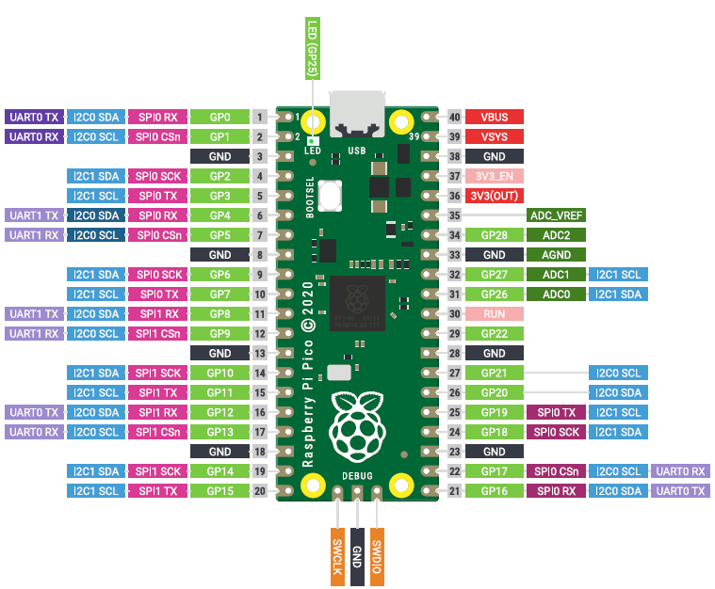

Available for Headers and Breadboard Area | Railcom Use | Standard Use |  | Standard Use | Railcom Use |  | General Vicinity of Power Supply | 12 VDC Connections
 | GP Hdr | GP0 UART0 Tx |  | Vbus | USB Power Out (not used)
 | GP Hdr | GP1 UART0 Rx |  | Vsys | Power input (5VDC)
 | GND | GND |  | GND | GND
 | GP Hdr | GP2 |  | 3v3_EN | Default High
 | GP Hdr | GP3 |  | 3v3(out) | 3V3 Out
 | I2C Hdr | GP4 |  | ADC_Vref | spare | General Vicintiy of Neopixel
 | I2C Hdr | GP5 |  | ADC2 | NeoPixel
 | GND | GND |  | GND | GND
 | GP Hdr | GP6 |  | ADC1 | spare
 | GP Hdr | GP7 |  | ADC0 | DRV CS
 | SPI HDR | GP8 |  | Run | External Hardware Reset | General Vicinity of DRV8874 |  | Motor Connections | FOR SPI there is NO universal standard.
 | SPI HDR | GP9 |  | GP22 | spare |  |  |  | Below was found on Microchip Website - as good as any.
 | GND | GND |  | GND | GND
 | SPI HDR | GP10 |  | GP21 | DRV _Fault
 | SPI HDR | GP11 |  | GP20 | DRV Phase
 | SPI HDR | GP12 |  | GP19 | DRV nSleep
 | SPI HDR | GP13 |  | GP18 | DRV Enable
 | GND | GND |  | GND | GND
 | CH1 Rx | GP14 |  | GP17 | CH2_Orientation
 | CH1 Orientation | GP15 |  | GP16 | CH2 Rx

General Vicinity of Detector 1 |  |  | General Vicinity of Gates and Resistors (common to both sides) |  | General Vicinity of Detector 2

CT Connections |  |  |  |  | CT Connections

